Tabelle1
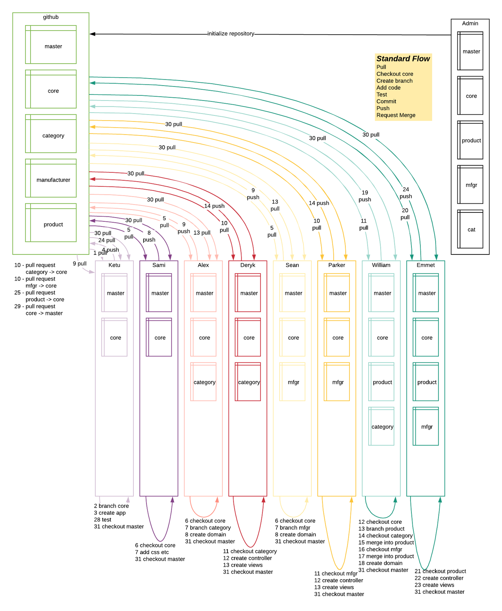
 | Github |  |  |  |  | Local
Step # | Master | Core | Category | Manufacturer | Product | Ketu | Sami | Alex | Deryk | Sean | Parker | William | Emmett
0 | readme |  | Nothing | Nothing | Nothing | Nothing | Nothing | Nothing | Nothing | Nothing | Nothing | Nothing | Nothing
1 |  |  | Nothing | Nothing | Nothing | readme | Nothing | Nothing | Nothing | Nothing | Nothing | Nothing | Nothing
2 |  |  | Nothing | Nothing | Nothing | readme branch: core | Nothing | Nothing | Nothing | Nothing | Nothing | Nothing | Nothing
3 |  |  | Nothing | Nothing | Nothing | grails-app | Nothing | Nothing | Nothing | Nothing | Nothing | Nothing | Nothing
4 |  | grails-app | Nothing | Nothing | Nothing | grails-app | Nothing | Nothing | Nothing | Nothing | Nothing | Nothing | Nothing
5 |  |  | Nothing | Nothing | Nothing | grails-app | grails-app | grails-app | Nothing | grails-app | Nothing | Nothing | Nothing
6 |  |  | Nothing | Nothing | Nothing | grails-app | grails-app branch: core | grails-app branch: core | Nothing | grails-app branch: core | Nothing | Nothing | Nothing
7 |  |  | Nothing | Nothing | Nothing | grails-app | grails-app, css branch: core | grails-app branch: category | Nothing | grails-app branch: mfgr | Nothing | Nothing | Nothing
8 |  | grails-app, css branch: core | Nothing | Nothing | Nothing | grails-app | grails-app, css branch: core | grails-app, category branch: category | Nothing | grails-app, mfgr branch: mfgr | Nothing | Nothing | Nothing
9 |  |  | grails-app, category branch: category | grails-app, mfgr branch: mfgr | Nothing | grails-app | grails-app, css branch: core | grails-app, category branch: category | grails-app | grails-app, mfgr branch: mfgr | grails-app | Nothing | Nothing
10 |  |  | grails-app, category branch: category | grails-app, mfgr branch: mfgr | Nothing | grails-app | grails-app, css branch: core | grails-app, category branch: category | grails-app branch: core | grails-app, mfgr branch: mfgr | grails-app branch: core | Nothing | Nothing
11 |  |  | grails-app, category branch: category | grails-app, mfgr branch: mfgr | Nothing | grails-app | grails-app, css branch: core | grails-app, category branch: category | grails-app, category branch: category | grails-app, mfgr branch: mfgr | grails-app, mfgr branch: mfgr | Nothing | Nothing
12 |  |  | grails-app, category branch: category | grails-app, mfgr branch: mfgr | Nothing | grails-app | grails-app, css branch: core | grails-app, category branch: category | grails-app, category+ branch: category | grails-app, mfgr branch: mfgr | grails-app, mfgr+ branch: mfgr | grails-app | Nothing
13 |  |  | grails-app, category branch: category | grails-app, mfgr branch: mfgr | Nothing | grails-app | grails-app, css branch: core | grails-app, category branch: category | grails-app, category++ branch: category | grails-app, mfgr branch: mfgr | grails-app, mfgr++ branch: mfgr | grails-app branch: core | Nothing
14 |  | grails-app, category++, mfgr++ branch: core | grails-app, category++ branch: category | grails-app, mfgr++ branch: mfgr | Nothing | grails-app | grails-app, css branch: core | grails-app, category branch: category | grails-app, category++ branch: category | grails-app, mfgr branch: mfgr | grails-app, mfgr++ branch: mfgr | grails-app branch: product | Nothing
15 |  | grails-app, category++, mfgr++ branch: core | grails-app, category++ branch: category | grails-app, mfgr++ branch: mfgr | Nothing | grails-app | grails-app, css branch: core | grails-app, category branch: category | grails-app, category++ branch: category | grails-app, mfgr branch: mfgr | grails-app, mfgr++ branch: mfgr | grails-app, category++ branch: category | Nothing
16 |  | grails-app, category++, mfgr++ branch: core | grails-app, category++ branch: category | grails-app, mfgr++ branch: mfgr | Nothing | grails-app | grails-app, css branch: core | grails-app, category branch: category | grails-app, category++ branch: category | grails-app, mfgr branch: mfgr | grails-app, mfgr++ branch: mfgr | grails-app, category++ branch: product | Nothing
17 |  | grails-app, category++, mfgr++ branch: core | grails-app, category++ branch: category | grails-app, mfgr++ branch: mfgr | Nothing | grails-app | grails-app, css branch: core | grails-app, category branch: category | grails-app, category++ branch: category | grails-app, mfgr branch: mfgr | grails-app, mfgr++ branch: mfgr | grails-app, mfgr++ branch: mfgr | Nothing
18 |  | grails-app, category++, mfgr++ branch: core | grails-app, category++ branch: category | grails-app, mfgr++ branch: mfgr | Nothing | grails-app | grails-app, css branch: core | grails-app, category branch: category | grails-app, category++ branch: category | grails-app, mfgr branch: mfgr | grails-app, mfgr++ branch: mfgr | grails-app, mfgr++, category++ branch: product | Nothing
19 |  | grails-app, category++, mfgr++ branch: core | grails-app, category++ branch: category | grails-app, mfgr++ branch: mfgr | grails-app, mfgr++, category++, product branch: product | grails-app | grails-app, css branch: core | grails-app, category branch: category | grails-app, category++ branch: category | grails-app, mfgr branch: mfgr | grails-app, mfgr++ branch: mfgr | grails-app, mfgr++, category++, product branch: product | Nothing
20 |  | grails-app, category++, mfgr++ branch: core | grails-app, category++ branch: category | grails-app, mfgr++ branch: mfgr | grails-app, mfgr++, category++, product branch: product | grails-app | grails-app, css branch: core | grails-app, category branch: category | grails-app, category++ branch: category | grails-app, mfgr branch: mfgr | grails-app, mfgr++ branch: mfgr | grails-app, mfgr++, category++, product branch: product | grails-app
21 |  | grails-app, category++, mfgr++ branch: core | grails-app, category++ branch: category | grails-app, mfgr++ branch: mfgr | grails-app, mfgr++, category++, product branch: product | grails-app | grails-app, css branch: core | grails-app, category branch: category | grails-app, category++ branch: category | grails-app, mfgr branch: mfgr | grails-app, mfgr++ branch: mfgr | grails-app, mfgr++, category++, product branch: product | grails-app, mfgr++, category++, product branch: product
22 |  | grails-app, category++, mfgr++ branch: core | grails-app, category++ branch: category | grails-app, mfgr++ branch: mfgr | grails-app, mfgr++, category++, product branch: product | grails-app | grails-app, css branch: core | grails-app, category branch: category | grails-app, category++ branch: category | grails-app, mfgr branch: mfgr | grails-app, mfgr++ branch: mfgr | grails-app, mfgr++, category++, product branch: product | grails-app, mfgr++, category++, product+ branch: product
23 |  | grails-app, category++, mfgr++ branch: core | grails-app, category++ branch: category | grails-app, mfgr++ branch: mfgr | grails-app, mfgr++, category++, product branch: product | grails-app | grails-app, css branch: core | grails-app, category branch: category | grails-app, category++ branch: category | grails-app, mfgr branch: mfgr | grails-app, mfgr++ branch: mfgr | grails-app, mfgr++, category++, product branch: product | grails-app, mfgr++, category++, product++ branch: product
24 |  | grails-app, category++, mfgr++ branch: core | grails-app, category++ branch: category | grails-app, mfgr++ branch: mfgr | grails-app, mfgr++, category++, product++ branch: product | grails-app | grails-app, css branch: core | grails-app, category branch: category | grails-app, category++ branch: category | grails-app, mfgr branch: mfgr | grails-app, mfgr++ branch: mfgr | grails-app, mfgr++, category++, product branch: product | grails-app, mfgr++, category++, product++ branch: product
25 |  | grails-app, category++, mfgr++, product++ branch: core | grails-app, category++ branch: category | grails-app, mfgr++ branch: mfgr | grails-app, mfgr++, category++, product++ branch: product | grails-app | grails-app, css branch: core | grails-app, category branch: category | grails-app, category++ branch: category | grails-app, mfgr branch: mfgr | grails-app, mfgr++ branch: mfgr | grails-app, mfgr++, category++, product branch: product | grails-app, mfgr++, category++, product++ branch: product
26 |  | grails-app, category++, mfgr++, product++ branch: core | grails-app, category++ branch: category | grails-app, mfgr++ branch: mfgr | grails-app, mfgr++, category++, product++ branch: product | grails-app | grails-app, css branch: core | grails-app, category branch: category | grails-app, category++ branch: category | grails-app, mfgr branch: mfgr | grails-app, mfgr++ branch: mfgr | grails-app, mfgr++, category++, product branch: product | grails-app, mfgr++, category++, product++ branch: product
27 |  | grails-app, category++, mfgr++, product++ branch: core | grails-app, category++ branch: category | grails-app, mfgr++ branch: mfgr | grails-app, mfgr++, category++, product++ branch: product | grails-app | grails-app, css branch: core | grails-app, category branch: category | grails-app, category++ branch: category | grails-app, mfgr branch: mfgr | grails-app, mfgr++ branch: mfgr | grails-app, mfgr++, category++, product branch: product | grails-app, mfgr++, category++, product++ branch: product
28 |  | grails-app, category++, mfgr++, product++ branch: core | grails-app, category++ branch: category | grails-app, mfgr++ branch: mfgr | grails-app, mfgr++, category++, product++ branch: product | grails-app, category++, mfgr++, product++ branch: core | grails-app, css branch: core | grails-app, category branch: category | grails-app, category++ branch: category | grails-app, mfgr branch: mfgr | grails-app, mfgr++ branch: mfgr | grails-app, mfgr++, category++, product branch: product | grails-app, mfgr++, category++, product++ branch: product
29 | grails-app, category++, mfgr++, product++ branch: core | grails-app, category++, mfgr++, product++ branch: core | grails-app, category++ branch: category | grails-app, mfgr++ branch: mfgr | grails-app, mfgr++, category++, product++ branch: product | grails-app, category++, mfgr++, product++ branch: core | grails-app, css branch: core | grails-app, category branch: category | grails-app, category++ branch: category | grails-app, mfgr branch: mfgr | grails-app, mfgr++ branch: mfgr | grails-app, mfgr++, category++, product branch: product | grails-app, mfgr++, category++, product++ branch: product
30 |  | grails-app, category++, mfgr++, product++ branch: core | grails-app, category++ branch: category | grails-app, mfgr++ branch: mfgr | grails-app, mfgr++, category++, product++ branch: product | grails-app, category++, mfgr++, product++ branch: core | grails-app, css branch: core | grails-app, category branch: category | grails-app, category++ branch: category | grails-app, mfgr branch: mfgr | grails-app, mfgr++ branch: mfgr | grails-app, mfgr++, category++, product branch: product | grails-app, mfgr++, category++, product++ branch: product
31 |  | grails-app, category++, mfgr++, product++ branch: core | grails-app, category++ branch: category | grails-app, mfgr++ branch: mfgr | grails-app, category++, mfgr++, product++ branch: core | grails-app, category++, mfgr++, product++ branch: core | grails-app, category++, mfgr++, product++ branch: core | grails-app, category++, mfgr++, product++ branch: core | grails-app, category++, mfgr++, product++ branch: core | grails-app, category++, mfgr++, product++ branch: core | grails-app, category++, mfgr++, product++ branch: core | grails-app, category++, mfgr++, product++ branch: core | grails-app, category++, mfgr++, product++ branch: core

